Sheet1
PHOTO | BRAND | STYLE | COLOR | GENDER | XS | S | M | L | XL | 2X | 3X | TOTAL
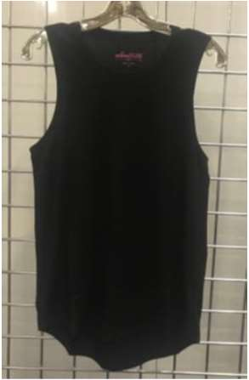 | REBELLIOUS ONE | I2626J124AR | BLACK | WOMEN'S |  | 397 | 1026 | 1020 | 492 |  |  | 2935
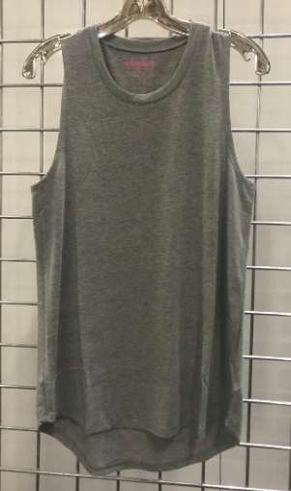 | REBELLIOUS ONE | I2626J124AR | HEATHER GREY | WOMEN'S |  | 396 | 792 | 792 | 396 |  |  | 2376
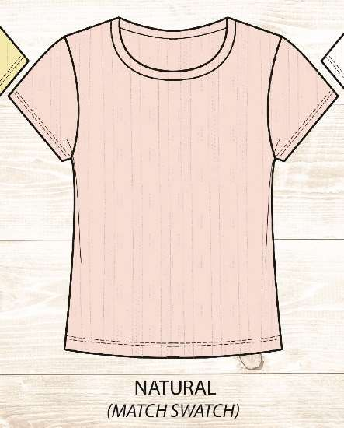 | PRETTY REBEL | B2488R019P | SHRINKING VIOLET | WOMEN'S | 250 | 220 | 190 | 200 | 210 |  |  | 1070
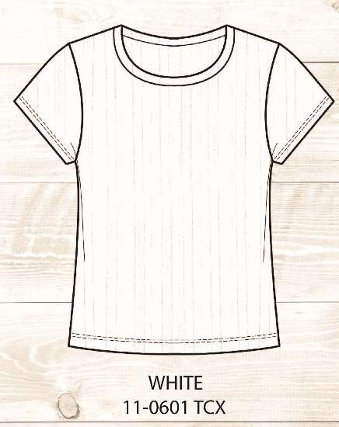 | PRETTY REBEL | B2488R019P | WHITE | WOMEN'S | 376 | 346 | 316 | 326 | 336 |  |  | 1700
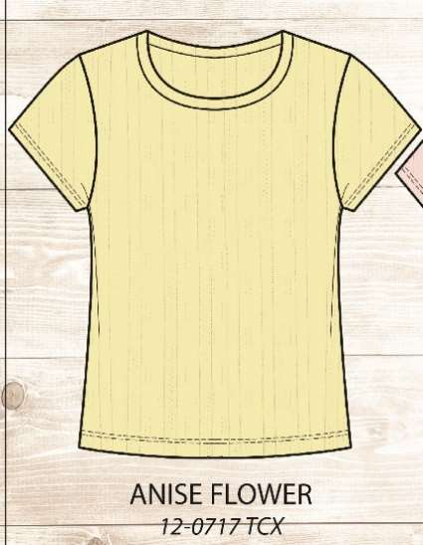 | PRETTY REBEL | B2488R019P | ANISE FLOWER | WOMEN'S | 274 | 274 | 274 | 274 | 274 |  |  | 1370
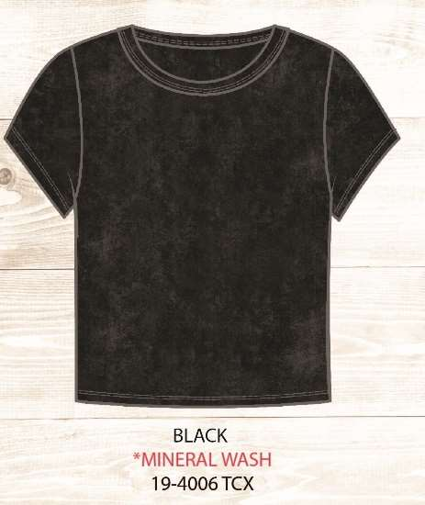 | PRETTY REBEL | B2403RWAMP | BLACK | WOMEN'S | 220 | 220 | 219 | 220 | 220 |  |  | 1099
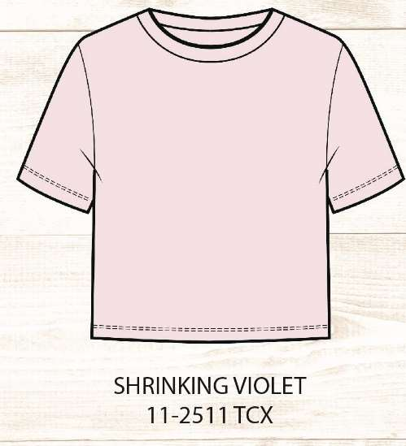 | PRETTY REBEL | B2577J215P | SHRINKING VIOLET | WOMEN'S | 251 | 215 | 172 | 193 | 205 |  |  | 1036
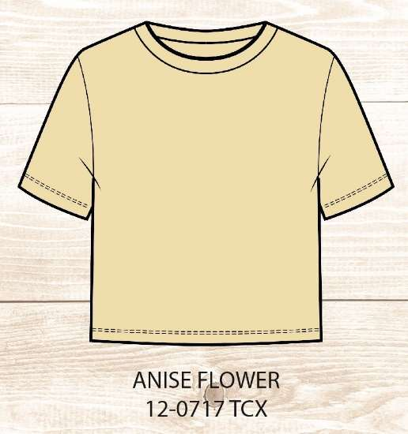 | PRETTY REBEL | B52577J215P | ANISE FLOWER | WOMEN'S | 658 | 602 | 521 | 540 | 572 |  |  | 2893
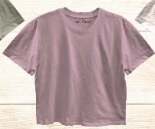 | REBELLIOUS ONE | G8045J215R | DAWN PINK | WOMEN'S | 220 | 240 | 187 | 210 | 194 |  |  | 1051
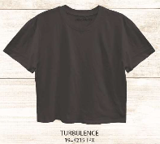 | PRETTY REBEL | G8045J215P | TURBULENCE | WOMEN'S | 222 | 186 | 152 | 154 | 166 |  |  | 880
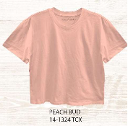 | REBELLIOUS ONE | G8045J215R | PEACH BUD | WOMEN'S |  | 66 | 128 | 132 | 66 |  |  | 392
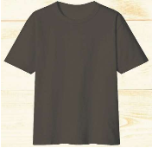 | REBELLIOUS ONE | N416 | OXFORD | WOMEN'S | 400 | 384 | 360 | 400 | 400 |  |  | 1944
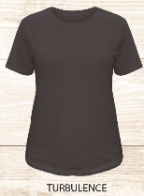 | REBELLIOUS ONE | BA1547J225 | TURBULENCE | WOMEN'S | 432 | 858 | 853 | 842 | 422 |  |  | 3407
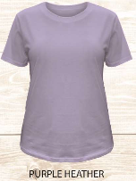 | REBELLIOUS ONE | BA1547J225 | PURPLE HEATHER | WOMEN'S | 404 | 809 | 830 | 812 | 404 |  |  | 3259
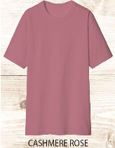 | REBELLIOUS ONE | N416 | CASHMERE ROSE | WOMEN'S | 360 | 360 | 360 | 360 | 360 |  |  | 1800
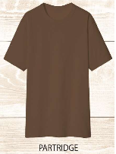 | REBELLIOUS ONE | N416 | PARTRIDGE | WOMEN'S | 202 | 198 | 208 | 210 | 200 |  |  | 1018
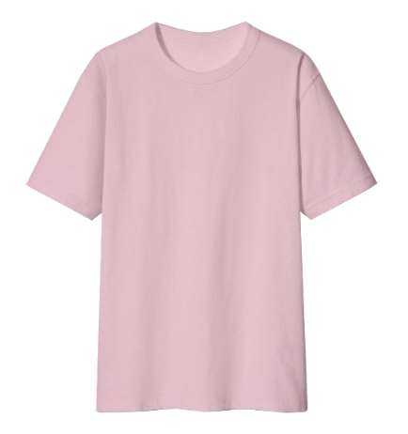 | REBELLIOUS ONE | N416 | PINK | WOMEN'S |  | 918 | 1794 | 72 |  |  |  | 2784
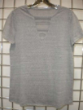 | REBELLIOUS ONE | I3659J021R | HEATHER GREY | WOMEN'S |  | 93 | 176 | 180 | 100 |  |  | 549
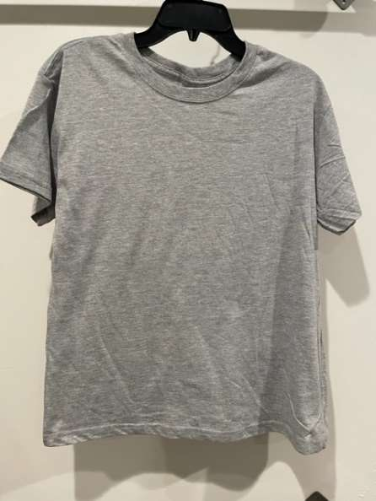 | REBELLIOUS ONE | P8499J215R | HEATHER GREY | WOMEN'S |  | 190 | 366 | 240 |  |  |  | 796
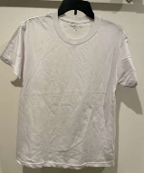 | REBELLIOUS ONE | P8499J215R | WHITE | WOMEN'S |  | 76 | 170 | 160 | 70 |  |  | 476
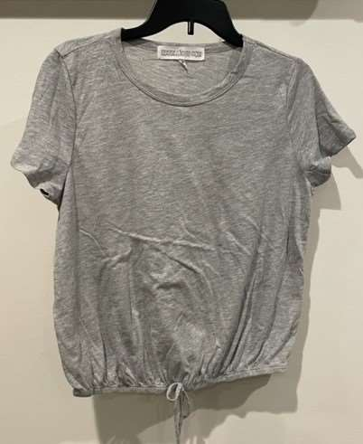 | REBELLIOUS ONE | 8960J162 | HEATHER GREY | WOMEN'S |  | 101 | 100 | 102 | 100 |  |  | 403
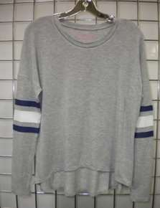 | REBELLIOUS ONE | I3587J124AR | HEATHER GREY/NAVY/WHITE | WOMEN'S |  | 166 | 313 | 316 | 162 |  |  | 957
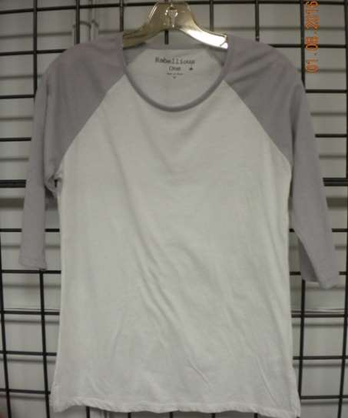 | REBELLIOUS ONE | I1508J172R | WHITE/LIGHT GREY | WOMEN'S | 510 | 2389 | 2795 | 462 | 30 |  |  | 6186
 | REBELLIOUS ONE | I1508J172R | WHITE/SOFT ROYAL | WOMEN'S | 821 | 3089 | 2671 | 1249 | 205 |  |  | 8035
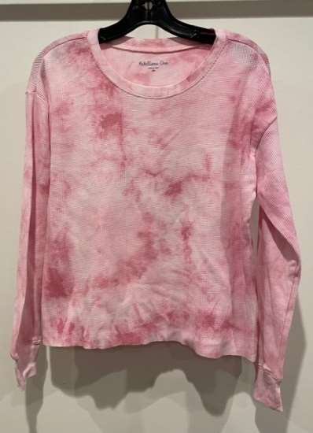 | REBELLIOUS ONE | I1179H730 *THERMAL | POLIGNAC | WOMEN'S |  | 100 | 210 | 200 | 99 |  |  | 609
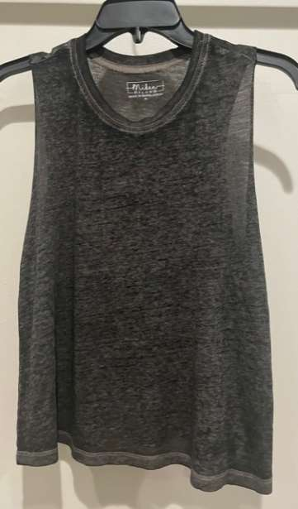 | MIKEN FLOW | B8806JWDBM | CHARCOAL | WOMEN'S |  | 1074 | 2152 | 2148 | 1074 |  |  | 6448
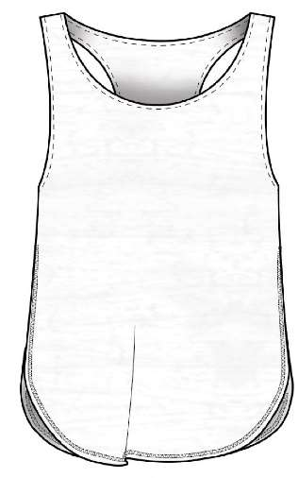 | MIKEN FLOW | B1205JWDBM *BURNOUT | WHITE | WOMEN'S | 54 | 309 | 461 | 368 | 87 |  |  | 1279
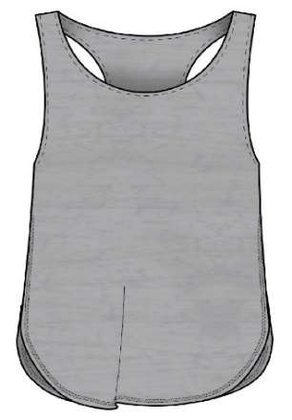 | MIKEN FLOW | B1205JWDBM *BURNOUT | HEATHER GREY | WOMEN'S | 141 | 464 | 658 | 408 | 82 |  |  | 1753
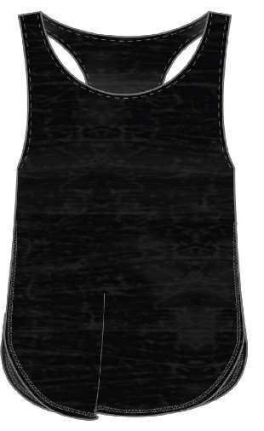 | MIKEN FLOW | B1205JWDBM *BURNOUT | BLACK | WOMEN'S | 414 | 1125 | 1291 | 925 | 160 |  |  | 3915
 | MIKEN FLOW | I2626J124AM | HEATHER GREY | WOMEN'S |  | 15134 | 30269 | 30268 | 15134 |  |  | 90805
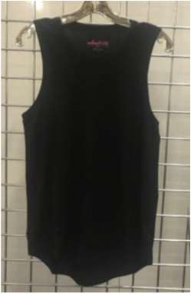 | MIKEN FLOW | I2626J124AM | BLACK | WOMEN'S |  | 2586 | 4626 | 4919 | 2386 |  |  | 14517
 | MIKEN FLOW | 2626J124AM | BLACK | WOMEN'S |  | 100 | 192 | 172 | 101 |  |  | 565
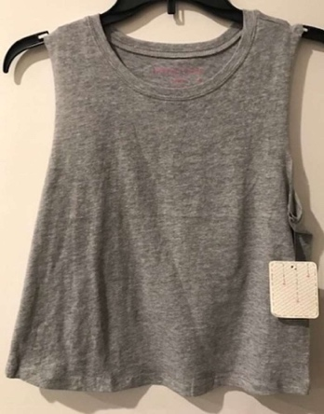 | MIKEN FLOW | P8060J215M | HEATHER GREY | WOMEN'S |  | 322 | 747 | 747 | 266 |  |  | 2082
 | MIKEN FLOW | G8060J215M | HEATHER GREY | WOMEN'S |  | 107 | 214 | 214 | 107 |  |  | 642
 | MIKEN FLOW | I8060J215M | HEATHER GREY | WOMEN'S |  | 13043 | 26434 | 26168 | 13065 |  |  | 78710
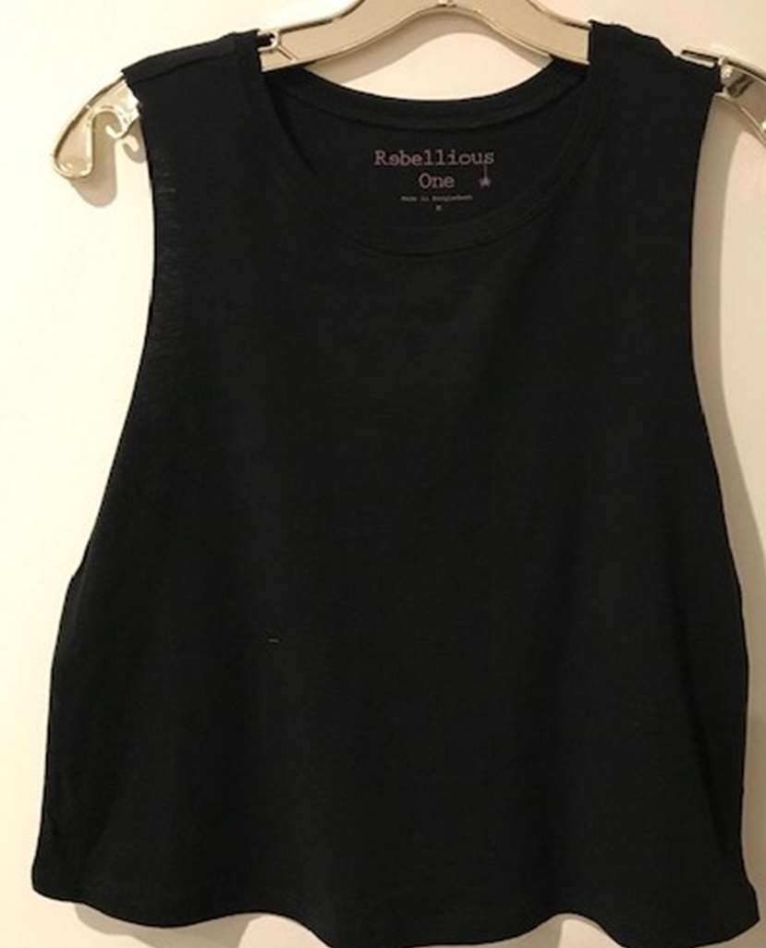 | MIKEN FLOW | I8060J215M | BLACK | WOMEN'S |  | 5912 | 12722 | 11950 | 6503 |  |  | 37087
 | MIKEN FLOW | P8060J215M | BLACK | WOMEN'S |  | 227 | 459 | 454 | 227 |  |  | 1367
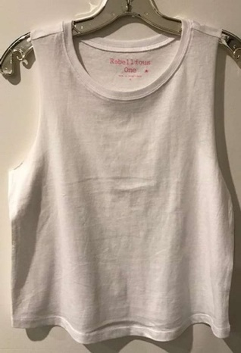 | MIKEN FLOW | I8060J215M | WHITE | WOMEN'S |  | 2882 | 5900 | 6118 | 2919 |  |  | 17819
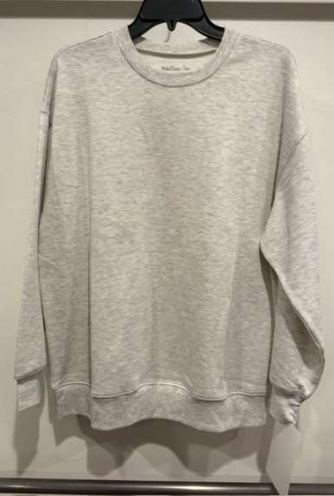 | MIKEN FLOW | I5145A177M | HEATHER OATMEAL | WOMEN'S |  | 400 | 800 | 800 | 400 |  |  | 2400
 |  |  |  |  |  |  |  |  |  |  |  | 308414

